Pivot Table 1
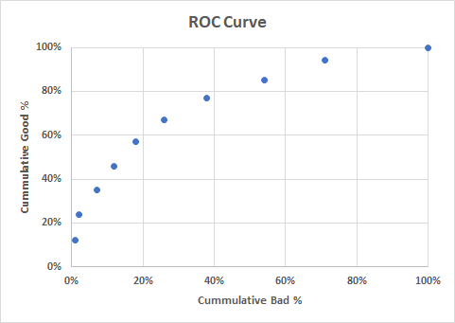
 |  |  |  |  |  |  | Sensitivity | 1 - Specificity | Specificity
 |  |  |  | Good | Cumm. Good | Cumm. Bad | Cumm. Good % | Cumm. Bad % | Cumm. Bad Avoided % | Profit to Business
Decile | Total | Bad | Prob_Threshold
1 | 60 | 1 | 0.97152842093 | 59 | 59 | 1 | 13% | 1% | 99% | 5400
2 | 60 | 1 | 0.95854731478 | 59 | 118 | 2 | 25% | 3% | 97% | 10800
3 | 60 | 5 | 0.93839543912 | 55 | 173 | 7 | 37% | 9% | 91% | 13800
4 | 60 | 6 | 0.92199286578 | 54 | 227 | 13 | 49% | 17% | 83% | 16200
5 | 60 | 6 | 0.89047437889 | 54 | 281 | 19 | 60% | 25% | 75% | 18600
Quite excellent classifier
6 | 60 | 8 | 0.85468050874 | 52 | 333 | 27 | 72% | 36% | 64% | 19800
7 | 60 | 13 | 0.79729991556 | 47 | 380 | 40 | 82% | 53% | 47% | 18000
8 | 60 | 17 | 0.72445885693 | 43 | 423 | 57 | 91% | 76% | 24% | 13800
9 | 60 | 18 | 0.55980358544 | 42 | 465 | 75 | 100% | 100% | 0% | 9000
10 | 60 | 30 | 0.097276204117 | 30 | 495 | 105 | 106% | 140% | -40% | -3000
Grand Total | 600 | 105 | 0.097276204117

 |  |  |  |  |  | Assumptions
 |  |  |  |  |  | Loss from a bad loan (Target = 1) |  |  | 500
 |  |  |  |  |  | Profit from a good loan (Target = 0) |  |  | 100

 |  |  |  |  |  | Final Recommendation: Keeping Only Profitability in Mind
 |  |  |  |  |  | Approve Loan Application, if Probability for Target = 0 is higher than |  |  | 85.47%
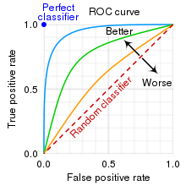

 |  |  |  |  |  | Final Recommendation: Keeping Profitability & Expansion in Mind
 |  |  |  |  |  | Approve Loan Application, if Probability for Target = 0 is higher than |  |  | 79.73%

